1. Title Page
Instacart Grocery Analysis

Project Name: Instacart Grocery Analysis
Date: 2/1/2022
Analyst Name: John Gibbons

Contents:
Population Flow
Consistency checks
Wrangling steps
Column derivations
Visualizations
Recommendations

Data Source:
“The Instacart Online Grocery Shopping Dataset 2017”, Accessed on 10/26/2021 from:
https://www.instacart.com/datasets/grocery-shopping-2017

Objective:
You’re an analyst for an existing company, Instacart, an online grocery store that operates through an app.
Instacart already has very good sales, but they want to uncover more information about their sales patterns.
Your task is to perform an initial data and exploratory analysis of some of their data in order to derive insights and:
suggest strategies for better segmentation based on the provided criteria.

2. Population Flow
Title page

Population flow

Exclusion flag
Condition: max_order < 5
Obervations to be removed: 1,441,548
Final total count of order_products_all: 30,992,664

Orders_products_combined
Orders_products_merged
Orders_products_all

Total: 32,484,161
Total: 32,434,489
Total: 32,690,370

1.) The grey boxes in the first row of the population flow represent the original data sets as they were when you downloaded them. In the Total fields you need to add the count of the rows when you imported the data set into Jupyter.
2.) The second row of boxes (coloured) represents the data sets after you manipulated them, e.g., removed missing values and duplicates. In the Total fields you need to add the count of the rows after conducting these operations. This offers a visual oveview of how the data flows throughout the data consistency checks.
3.) The third row, where also the arrows are coloured, represents the merges you performed between the datasets. In the Total fields you need to add the count of the rows in the merged datasets, so that you end up with the final dataset (in the red box). Keep in mind the final dataset should be without exclusions (based on the exclusion flag).

3. Consistency checks
 |  |  |  | Title page
Consistency checks

Dataset | Missing values | Missing values treatment | Duplicates
orders | 206209 | Removed values
products | 16 | Removed values | 5
orders_products_prior | 0
customers | 0 | Removed first/last name columns

4. Wrangling steps
 |  |  |  | Title page
Wrangling steps

Columns dropped | Columns renamed | Columns' type changed | Comment/Reason
eval_set |  |  | not needed
 | orders_dow |  | Easier to read
 |  | order_id | changed to string
 |  | user_id | changed to string
 |  | order_number | changed to int16 for memory
 |  | orders_day_of_week | changed to int16 for memory
 |  | order_hour_of_day | changed to int16 for memory
 | order_hour_of_day |  | renamed to order_time_of_day
 |  | order_id | changed to string
 | first name |  | changed to first_name
 | surnam |  | changed to last_name
 | Gender |  | changed to gender
 | Age |  | changed to age
 | _merge |  | removed since it was unnecessary

5. Column derivations
 |  |  |  | Title page

Column derivations and aggregations

In this tab you should add tables below that the frequences of flags/label variables that you produced after deriving them. NB: don't do this for continuous variables, only for flags.
Dataset | New column | Column/s it was derived from | Conditions
df_ords_prods_cust_merged | spending_flag | average_price | High spender = average price >=10; low spender = average price <10
df_ords_prods_cust_merged | loyalty_flag | max_order | loyal = max order > 40; regular = max order <=40 and >10; New = max order <= 10
df_ords_prods_cust_merged_2 | region | state | grouped customers based on region their state is in
df_ords_prods_cust_merged_2 | low-activity | max_order | defined based on max number of orders placed
df_ords_prods_cust_merged_2 | age group | age | age groups based on age
df_ords_prods_cust_merged_2 | income range | income | income based on tax brackets
df_ords_prods_cust_merged_2 | parent status | number_of_dependents | parent or not depending on if they have children
df_ords_prods_cust_merged_2 | weekday | orders_day_of_week | converted day number to actual name
df_ords_prods_cust_merged_2 | part of the day | order_hour_of_day | morning(midnight to noon), afernoon(12-5), or evening(6-23)
df_ords_prods_cust_merged_2 | selling performance | product name | product list for what seels most
df_ords_prods_cust_merged_4 | price range | price | removed outliers in price
df_ords_prods_cust_merged_4 | department names | department_id | added department names from id numbers
df_ords_prods_cust_merged_4 | department performance | department_id | departments based on id and prices
df_ords_prods_cust_merged_4 | income range | income | Used to group customers based on income
df_ords_prods_cust_merged_4 | parental_status | number_of_dependents | Used to group customers based on number of dependents

6. Visualization
 |  |  |  |  |  | Title page

Recommendations

In this tab you should include any recommendations you would made to Instcart in terms of their marketing strategy based on the questions posed in the brief. Every key question has been covered in the Tasks of the Exercises - here you need to add an item - a visualisation or table/crosstable that is showing the answer in the data, acompanied by a comment from you. Please, list the questions below and add the answer underneath.


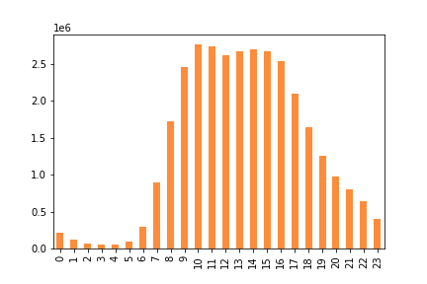

Question |  | Answer
The sales team needs to know what the busiest days of the week and hours of the day are (i.e., the days and times with the most orders) in order to schedule ads at times when there are fewer orders. | The least busy days are Monday through Wednesday. Ads should be scheduled on these days. As far as least busy hours, the mornings have a drastically lower amount of orders.

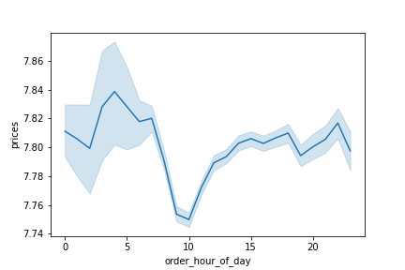
They also want to know whether there are particular times of the day when people spend the most money, as this might inform the type of products they advertise at these times. |  | The hours with the most money spent are around 4-5am.
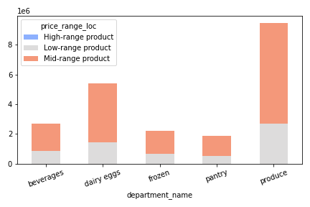
Instacart has a lot of products with different price tags. Marketing and sales want to use simpler price range groupings to help direct their efforts. |  | Products can be split into low-range, mid-range, and high-range based on cost. Most items are mid-range, with very few high-range products
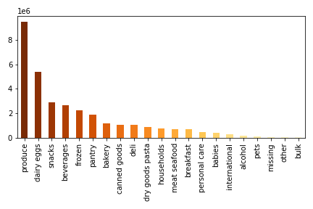
Are there certain types of products that are more popular than others? The marketing and sales teams want to know which departments have the highest frequency of product orders. |  | Produce is the highest selling department, followed by dairy eggs, snacks, beverages,and frozen products. Focus can be given to advertising these departments.

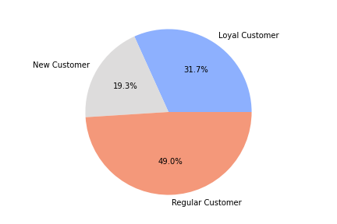
The marketing and sales teams are particularly interested in the different types of customers in their system and how their ordering behaviors differ. For example: ● What’s the distribution among users in regards to their brand loyalty (i.e., how often do they return to Instacart)? |  | 31% of customers are loyal, while nearly 20% are new customers.

Are there differences in ordering habits based on a customer’s loyalty status? |  | The loyal customers order the most often, and spend the least average cost per order. Regular customers tend to order on a regular or very frequent basis. |  | 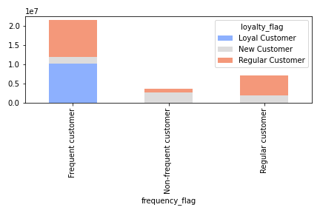
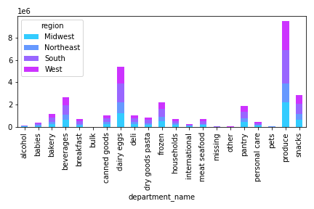
Are there differences in ordering habits based on a customer’s region? |  | The south orders the most of all the regions, where the northeast orders the least. As far as ordering habits, the departments are pretty evenly spread, with produce being the most popular in all regions. | 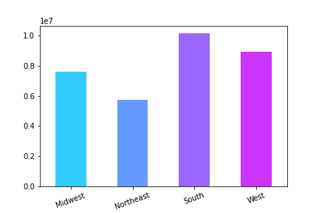

Is there a connection between age and family status in terms of ordering habits? |  | The typical departments are the most popular regardless of age or family status. Produce, dairy eggs and snacks are still the top 3 departments. Married customers, however, seem to order way more than the other family statuses. | 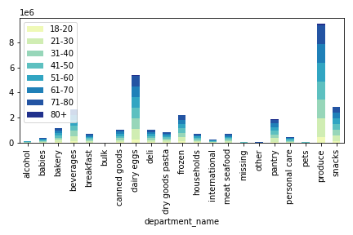 |  | 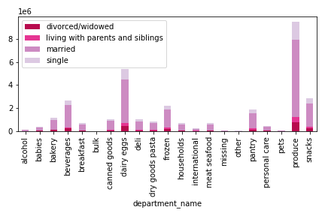

What different classifications does the demographic information suggest? Age? Income? Certain types of goods? Family status? |  | Age isn't a big factor when it comes to Instacart's customers. Income seems to be, however, with low icnome and super high income people not typically being customers. Married people also seem to be a bigger portion of the customers than the other statuses. |  | 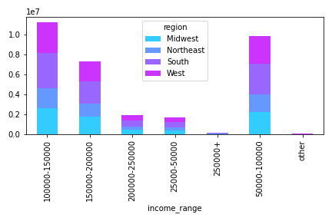

 |  |  |  |  | 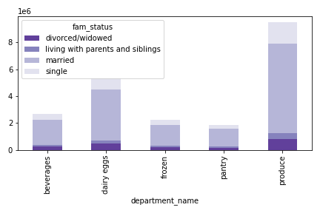
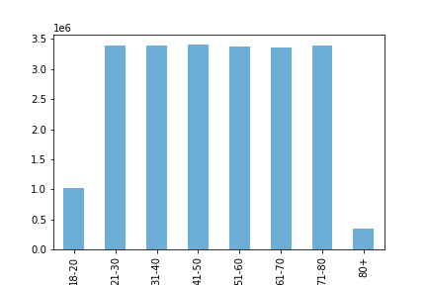
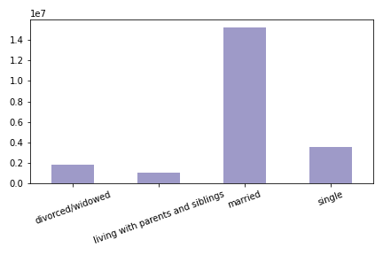
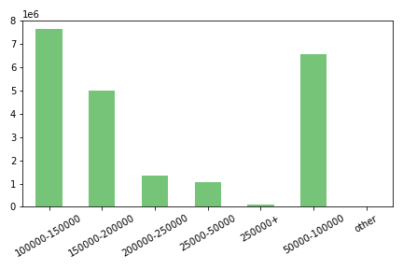
What differences can you find in ordering habits of different customer profiles? Consider the price of orders, the frequency of orders, the products customers are ordering, and anything else you can think of |  | As for age, every age group between 21-80 orders pretty much the same amount. Under 20 and over 80 are the only that have a substantially lesser frequency of orders.
 |  | For income, the income range of 100,000-150,000 orders the most frequently. The two ranges around that (50,000-100,000 and 150,000-200,000) are also pretty frequent. Incomes over 200,000 are very infrequent customers.
 |  | Married customers ordered significantly more frequently than other family statuses. Single customers are a distant second, with divorced/widowed and living with parents both very low frequency.

7. Recommendations
 |  | Title page

Recommendations

In this tab you should include any recommendations you would made to Instcart in terms of their marketing strategy based on the questions posed in the brief. Every key question has been covered in the Tasks of the Exercises - here you need to add an item - a visualisation or table/crosstable that is showing the answer in the data, acompanied by a comment from you. Please, list the questions below and add the answer underneath.

1. The sales team needs to know what the busiest days of the week and hours of the day are (i.e., the days and times with the most orders) in order to schedule ads at times when there are fewer orders. | The busiest days of the week are Saturday and Sunday. Monday, Tuesday and Wednesday are the least busy days of the week, so any ads should be run then. Also for hours, the times between 10am-4pm are the busiest. Early morning hours between midnight and 6am are the least busy.

2. They also want to know whether there are particular times of the day when people spend the most money, as this might inform the type of products they advertise at these times. | The busiest times/days are also when customers spend the most money. So Weekends from 10am-4pm are the busiest, and products should be advertised during those times.
3. Instacart has a lot of products with different price tags. Marketing and sales want to use simpler price range groupings to help direct their efforts | instacart doesn't have many high-end products. A high majority (over 65%) of products are mid--range products, and over 30% are low-range products. Instacart could advertise as a affordable grocery option.
4. Are there certain types of products that are more popular than others? The marketing and sales teams want to know which departments have the highest frequency of product orders. | Produce dominates as far as what items are frequently purchased. Dairy eggs, snacks, beverages, and frozen products round out the top 5 departments. Adversitising could highlight this.
5. The marketing and sales teams are particularly interested in the different types of customers in their system and how their ordering behaviors differ. For example: What’s the distribution among users in regards to their brand loyalty (i.e., how often do they return to Instacart)? | A majority of Instacart customers are regular customers, which is between 10 and 40 orders. Loyal customers, which have over 40 orders, are the second most provalent group, with new customers making up only a small portion of the customer base.
6. Are there differences in ordering habits based on a customer’s loyalty status? | Loyal customers spend smaller amounts, but have a higher number of total orders. Regular customers spend the highest average amount, but don't order as frequently. New customers have different values for their orders, as most are trying it for the first time.
7.Are there differences in ordering habits based on a customer’s region? | The south orders the most of all the regions, where the northeast orders the least. As far as ordering habits, the departments are pretty evenly spread, with produce being the most popular in all regions. Advertising could be focused on the south, where people seem more likely to use the product, or in the northeast to try and increase the customer base there.
8. Is there a connection between age and family status in terms of ordering habits? | Married customers order the most from Instacart. Age isn't a big factor, as all age ranges between 21-80 are relatively even.
9. What different classifications does the demographic information suggest? Age? Income? Certain types of goods? Family status? | Age doesn't play a huge factor in spending or frequency of orders. Income does, as low income and high income has the lowest frequency of customers. Family status does as well, as married customers and those with dependents are more likely to use our service.
10. What differences can you find in ordering habits of different customer profiles? Consider the price of orders, the frequency of orders, the products customers are ordering, and anything else you can think of | Produce remains the top department purchased, regardless of any demographic. Family status, income, age, and region all seem to prioritze the same departments.

